Glassware
Ground floor , Gupta Mill Estate , Devidayal Mill Compound, Magazine Street , Darukhana Mumbai 400010 , Maharashtra, India.

Discription | Sr.No | Code No | Image | Measurement | Quantity | Rent | Breakage
White W | 1 | SRG 1 |  | Wine 02 40,5cl 13 ¾oz H 215mm 8 ½" D 86mm 3 ½" | 164 | 40 | 380
Red W | 2 | SRG 2 |  | Wine 01 52cl 17 ¾oz H 230mm 9" D 93mm 3 ¾" | 142 | 40 | 380
Champagne | 3 | SRG 3 |  | Champagne flute 09 22cl 7 ½oz H 250mm 10" D 70mm 2 ¾" | 128 | 40 | 380
cocktail | 4 | SRG 4 |  | Paris Saucer Champ. 28 26 cl 8 ¾oz H 131mm 5 ¼" D 96mm 3 ¾" | 25 | 40 | 350
cocktail | 5 | SRG 5 |  | Martini / Saucer Champ. 08 25 cl 8 ½oz H 144mm 5 ¾" D 98mm 4 " | 25 | 40 | 550
martini | 6 | SRG 6 |  | Martini 28 30 cl 10 ¼oz H 188mm 7 ½" D 125mm 4 ½" | 49 | 40 | 400
Gin & Tonic/ cocktail | 7 | SRG 7 |  | Gin Tonic 00 63 cl 21 ½oz H 203mm 8 " D 105mm 4 ¼" | 81 | 40 | 400
Baloon | 8 | SRG 8 |  | Brandy 18 40 cl 13 ½ oz H 138mm 5 ½" D 95mm 3 ¾" | 13 | 40 | 350
Whiskey tasting glass | 9 | SRG 9 | 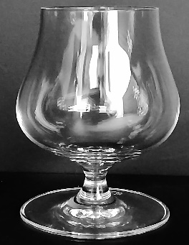 | Single Malt Whiskey 32 20 cl ¾oz | 48 | 40 | 400
cocktail Tumbler | 10 | SRG 10 |  | Cocktail tumbler 15 25 cl 8 ½oz H 90mm 3 ½" D 79mm 3 ¼" | 252 | 40 | 250
old fashiond | 11 | SRG 11 | 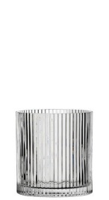 | Singapore Double Old Fashioned 11oz (31cl) | 193 | 40 | 300
old fashiond | 12 | SRG 12 |  | Old Fashioned 16 39 cl 13 oz H 90mm 3 ½" D 95mm 3 ¾" | 216 | 40 | 300
High ball | 13 | SRG 13 |  | Singapore Hiball 11.25oz (32cl) | 203 | 40 | 300
High ball | 14 | SRG 14 |  | Highball 12 46 cl 15 ½oz H 145mm 5 ¾" D 76mm 3 " | 216 | 40 | 300
Beer | 15 | SRG 15 |  | Pilsener 19 36 cl 13 oz H 184mm 7 ¼" D 79mm 3 ¼" | 61 | 40 | 370
Beer | 16 | SRG 16 |  | Beer tumbler 19 38 cl 12 ¾oz H 212mm 8 ¼" D 80mm 3 ¼" | 60 | 40 | 370

Note
Rent is on a per unit bases
Breakage is on a per unit bases

Baroque Glass Buffet collection
Ground floor , Gupta Mill Estate , Devidayal Mill Compound, Magazine Street , Darukhana Mumbai 400010 , Maharashtra, India.

SWITCH LIST 1 BUFFET
Baroque Collection Glass Buffet List

SR. NO | Code | Image | Description | Specifications | Quantity | Rent | Breakage
1 | SRB 1 | 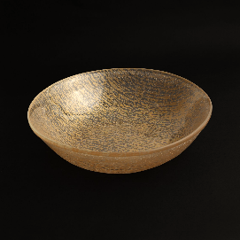 | Ø 25 cm - h 6,5 cm I Ø 9,8 inch - h 2,6 inch | Baroque dripping gold Glass Bowl | 8 | 200 | 1500
2 | SRB 2 | 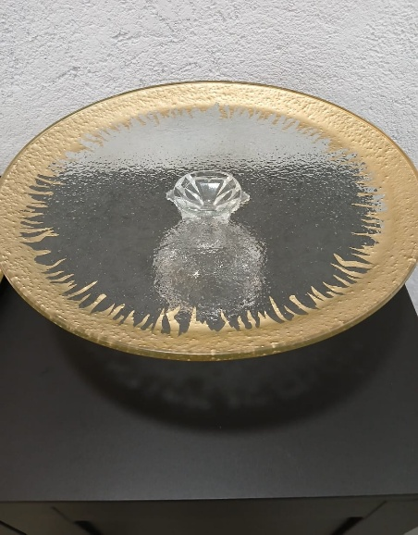 | Ø 34 cm - h 10,5 cm I Ø 13,4 inch - h 4,1 inch | Baroque dripping glold Glass Plate with Stand | 8 | 400 | 2200
3 | SRB 3 | 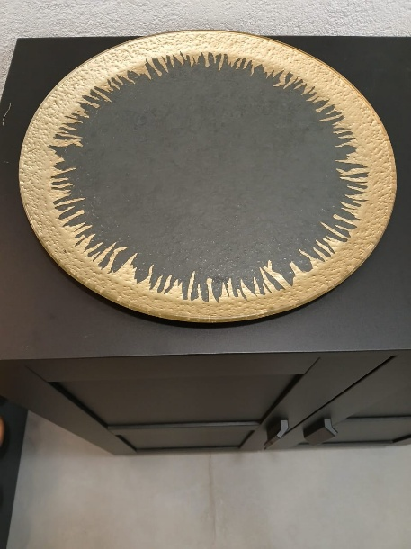 | Ø 37 cm - h 1,8 cm I Ø 14,6 inch - h 0,7 inch | Baroque dripping glod Glass platter round | 7 | 400 | 2500
4 | SRB 4 |  | Ø 22 cm - h 2,5 cm I Ø 8,7 inch - h 1 inch | Baroque dripping gold dessert Glass Plate | 12 | 250 | 1000
5 | SRB 39 | 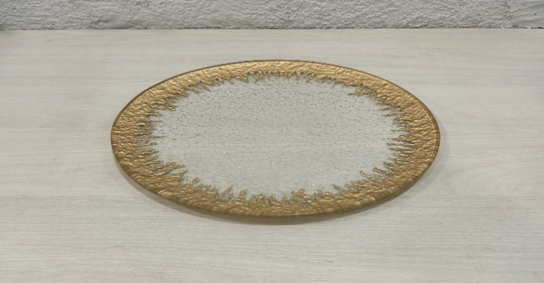 | 28cm | Baroque dripping gold dinner Glass Plate | 12 | 300 | 2000
6 | SRB 40 | 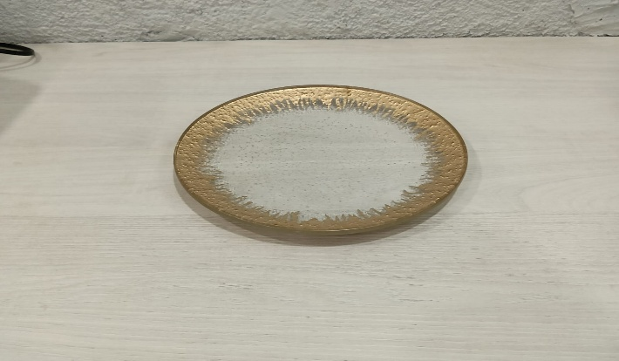 | 19cm | Baroque dripping gold Quter Glass Plate | 12 | 200 | 1000
7 | SRB 41 |  | 30cm | Baroque dripping Silver dinner Glass Plate | 15 | 400 | 2000
8 | SRB 5 | 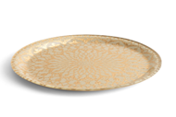 | Ø 37 cm - h 1,7 cm I Ø 14,6 inch - h 0,7 inch | Baroque print Glass Plate | 8 | 400 | 2500
9 | SRB 6 | 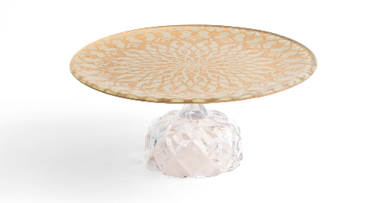 | Ø 26 cm - h 10,5 cm Ø 10,2 inch - h 4,1 inch | Baroque print Glass Plate with Stand small | 6 | 300 | 1500
10 | SRB 7 |  | Ø 22 cm - h 3 cm I Ø 8,7 inch - h 1,2 inch | uneven Baroque gold Glass Plate | 32 | 200 | 1000
11 | SRB 8 | 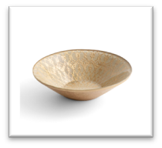 | Ø 28 cm - h 8,5 cm | Baroque gold buffet Glass Bowl | 8 | 200 | 1200
12 | SRB 9 | 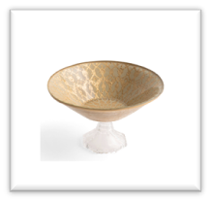 | Ø 25 cm - h 14 cm Ø 9,8 inch - h 5,5 inch | Baroque printed gold Glass Bowl with Stand | 4 | 350 | 2500
13 | SRB 10 |  | 10 cm * 10 cm | Baroque square Mono Portions | 240 | 35 | 250
14 | SRB 11 |  | 10 cm * 10 cm | Baroque round Mono Portions | 240 | 35 | 250
15 | SRB 12 |  | 8.25 cm * 11.5 cm | baroque oval Mono Portions | 240 | 35 | 250
16 | SRB 13 |  | 7.5 cm * 10 cm | Baroque oval small Mono Portions | 240 | 35 | 250
17 | SRB RG 14 |  | 10 cm * 10 cm | Baroque round Rose gold Mono Portions | 59 | 40 | 275
18 | SRB RGP 15 | 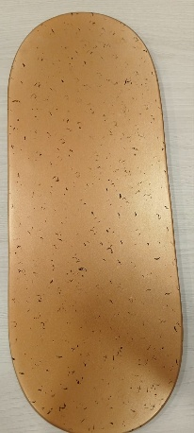 | 32 Cm * 18cm | Baroque Rose gold long plate | 18 | 250 | 1500
19 | SRB -29 | 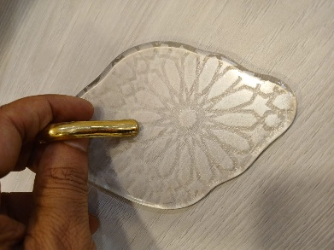 | 10 cm * 10 cm | Glass Mono portion | 4 | 100 | 600
20 | SRB 16 | 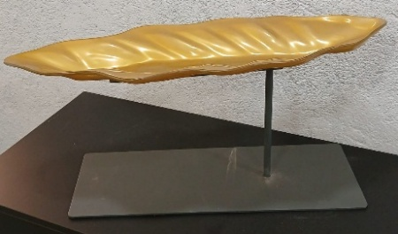 | Dimensions: Ext: 59,3x23,5cm, Height: 27,6cm | Metal and Glass Leaf Patter with 2 glass leaf mono's | 4 | 1200 | 6500
21 | SRB 17 | 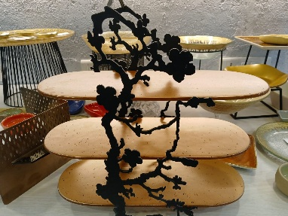 | Dimensions: Ext: 38,2x14,5cm, Height: 37,3cm | Metal and Glass Charlie Stand | 6 | 750 | 6500
22 | SRB 18 | 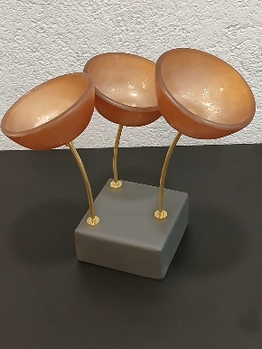 | Dimensions: Ext.diam: 15,0cm, Height: 18,0cm, Capacity: 270 ml | Metal and glass stand with 3 bowls | 4 | 500 | 3500
23 | SRB 19 | 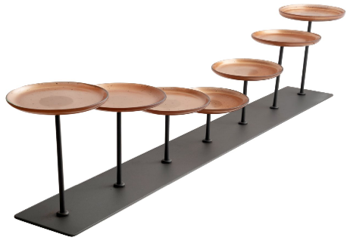 | Dimensions: Ext: 101,5x22,5cm, Height: 12,6cm | Metal Stand with Monoportion display | 3 | 2000 | 15600
24 | SRB 20 | 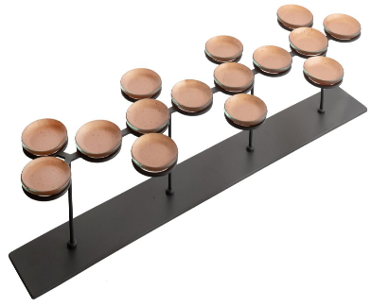 | Dimensions: Ext: 101,5x22,5cm, Height: 12,6cm | Metal Stand with 6 inch glass plate for display | 4 | 2000 | 11700
25 | SRB 21 | 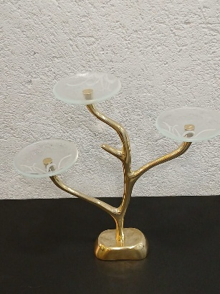 | Dimensions: Ext: 35,0x13,0cm, Height: 31,5cm, Capacity: 195 ml | Metal Gold Stand with 3 glass plates | 3 | 650 | 6500
26 | SRB 27 | 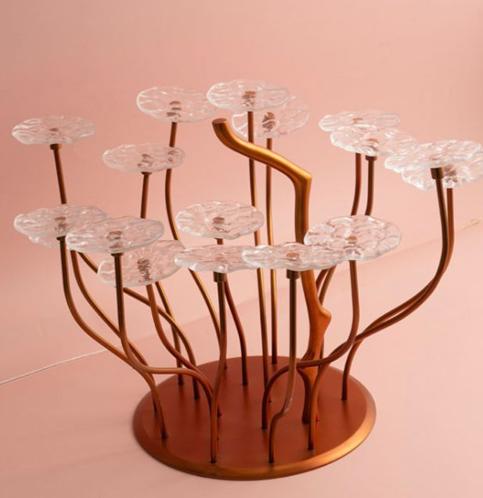 |  | Metal Gold Stand with 17 glass plates | 6 | 2000 | 15000
27 | SRB 22 | 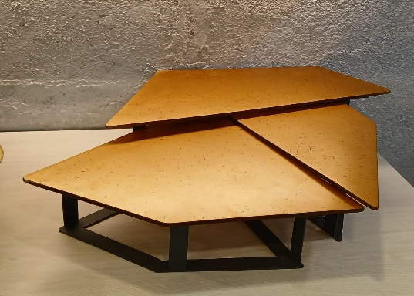 | Dimensions: Ext: 78,0x70,0cm, Height: 15,0cm (FULL SET) | Metal Stand and glass platter set ( Full Set ) 3 Units | 4 | 1500 | 15600
28 | SRB 23 | 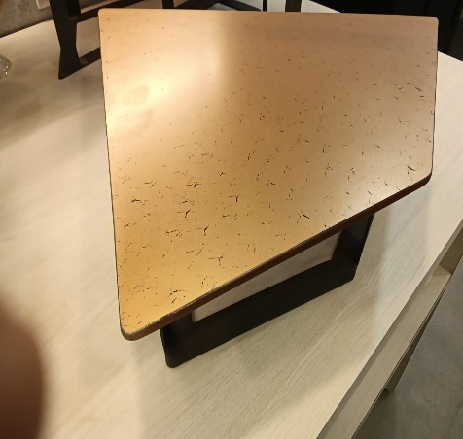 | 1 UNIT Large | Metal Stand and glass platter L | 4 | 700 | 7800
29 | SRB 24 | 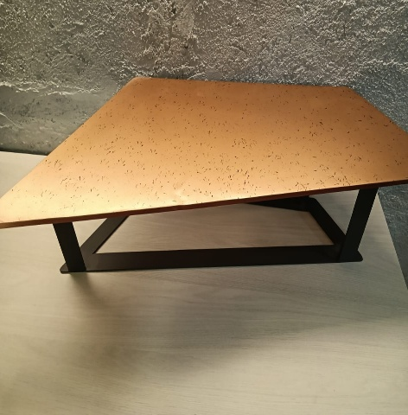 | 1 UINTS Mid | Metal Stand and glass platter M | 4 | 600 | 6500
30 | SRB 25 | 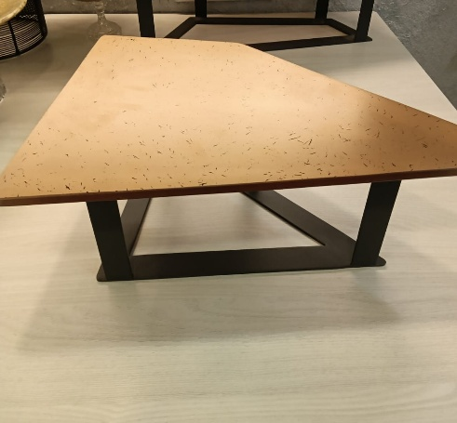 | 1 UNIT Small | Metal Stand and glass platter S | 4 | 500 | 5000
31 | SRB 26 | 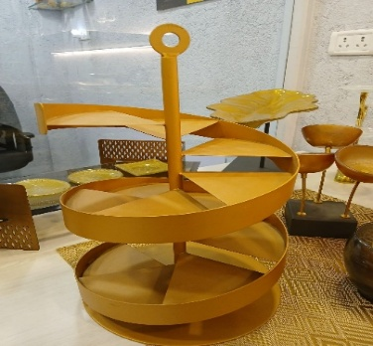 |  | gold round stairway charlie | 4 | 750 | 7500
32 | SRB 28 | 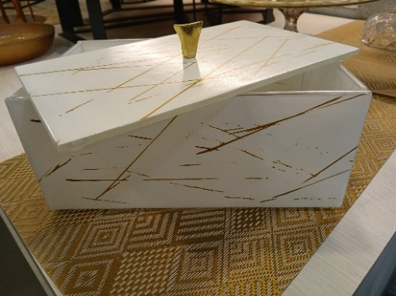 | W- 30CM , H - 4 inch | White & Gold bread / dessert Box Large | 6 | 400 | 3500
33 | SRB 29 | 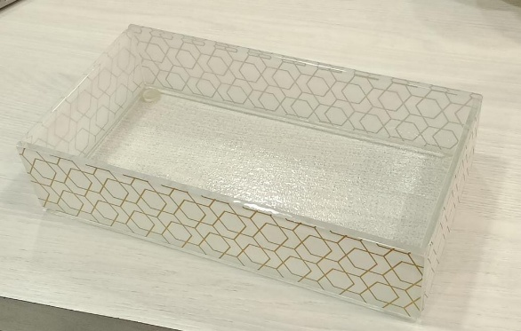 | W- 13CM, L 25.5CM , H - 2.5 inch | White & Gold bread / dessert Box Big | 4 | 350 | 2500
34 | SRB 32 | 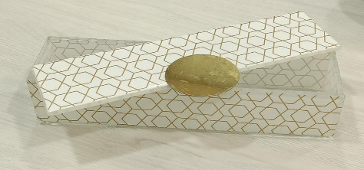 | W- 25CM , H - 2.5 inch | White & Gold bread / dessert Box MiD | 8 | 300 | 2000
35 | SRB 33 | 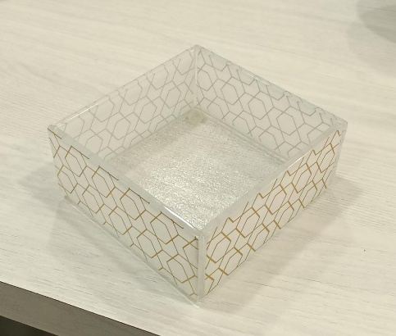 | W- 13 CM , H - 2.5 inch | White & Gold bread / dessert Box Small | 7 | 250 | 1500
36 | SRB-30 | 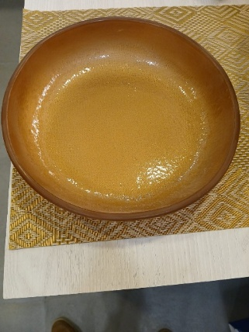 | D-27 x H-5.5 (L) | Rose gold bowl (Large) | 8 | 300 | 2000
37 | SRB 31 |  | Bowl D-22 x H-5 (M) | Rose gold bowl (Mid size) | 8 | 200 | 1500
38 | SRB 31 | 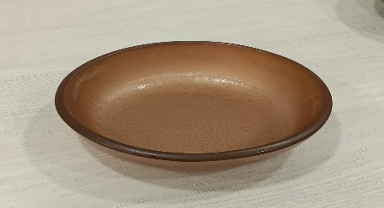 | Bowl - 500ml ( S) | Rose gold bowl (Small size) | 32 | 100 | 600
39 | SRB 32 | 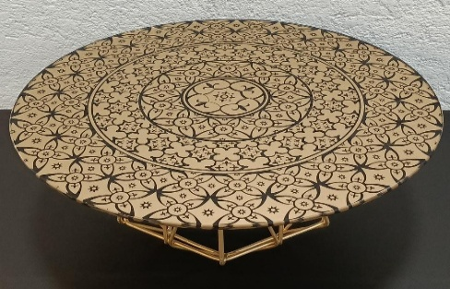 | Ø 37 cm - h 1,8 cm I Ø 14,6 inch - h 0,7 inch | Baroque gold design Glass platter round | 2 | 400 | 3000
40 | SRB 33 | 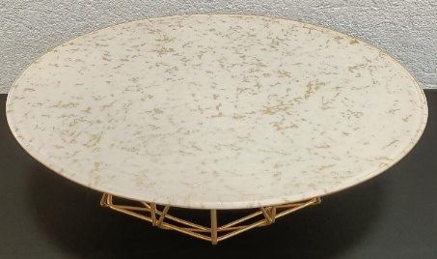 | Ø 37 cm - h 1,8 cm I Ø 14,6 inch - h 0,7 inch | Baroque gold & white Glass platter round | 3 | 400 | 3000
41 | SRB 34 | 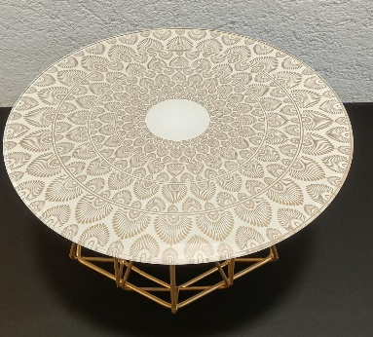 | 13" | Baroque gold & white design Glass platter round ( LARGE ) | 3 | 250 | 2500
 | SRB 50 |  | 13'' | Baroque gold & white design Glass platter round ( LARGE ) | 3 | 400 | 3000
42 | SRB 35 | 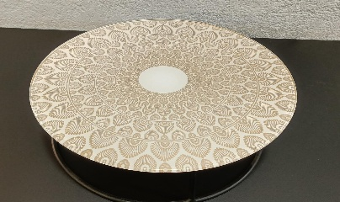 | 10" | Baroque gold & white design Glass platter round ( MID ) | 3 | 200 | 2000
43 | SRB 36 | 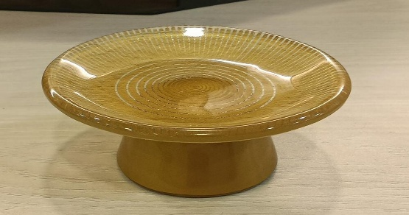 | 10cm | Baroque Gold Mono Portions With Stand | 135 | 50 | 400
44 | SRB 37 | 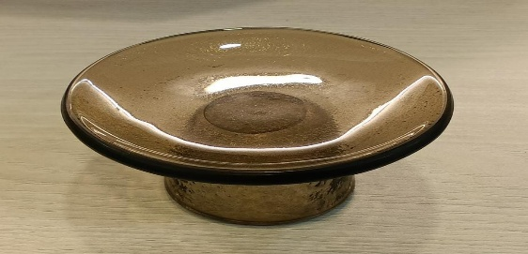 | 10.5cm | Baroque Black Mono Portions With Stand | 129 | 50 | 400
45 | SRB 38 | 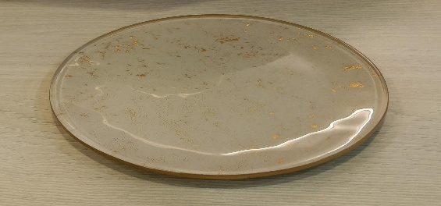 | 7" | White and gold bread plate | 33 | 100 | 600
46 | SRB 51 | 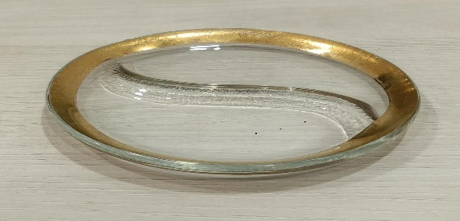 | 5'' | Transperent Gold sauce plate | 15 | 60 | 500
47 | SRB 52 | 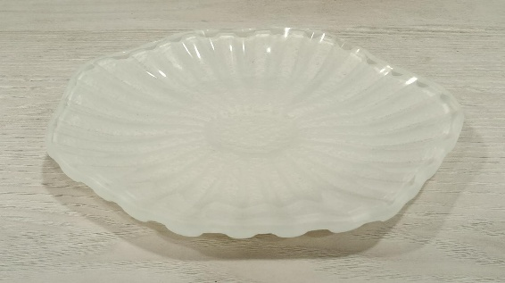 | 6" | Silver Bread Plate | 15 | 200 | 1000

Metal Buffet Ware and Risrers
Ground floor , Gupta Mill Estate , Devidayal Mill Compound, Magazine Street , Darukhana Mumbai 400010 , Maharashtra, India.

Sl No | DESCRIPTION | ITEM CODE | IMAGE | Quantity | Rent | Breakage
1 | Metal Risers 1 Black Matte Finish ( SMALL ) 25 x 21 x 15cm | SR MBW 1 |  | 7 | 350 | 1500
1 | Metal Risers 1 Black Matte Finish ( MID ) 25 x 21 x 20cm | SR MBW 2 |  | 6 | 350 | 1500
3 | Metal Risers 1 Black Matte Finish ( LARGE ) 25 x 21 x 25cm | SR MBW 3 |  | 4 | 500 | 2000
4 | Metal Risers 6 Black Matte Finish ( ROUND ) D21cm x H10cm | SR MBW 4 |  | 6 | 350 | 1500
6 | Metal Risers 6 Black Matte Finish ( ROUND ) D21cm x H20cm | SR MBW 5 |  | 6 | 500 | 2000
7 | Metal Risers 2 Black Matte Finish ( SQR SMALL ) 18 x 18 x 10 cm | SR MBW 6 |  | 6 | 350 | 1500
8 | Metal Risers 2 Black Matte Finish ( SQR MID ) 18 x 18 x 15 cm | SR MBW 7 |  | 6 | 350 | 1500
9 | Metal Risers 2 Black Matte Finish ( SQR LARGE ) 18 x 18 x 20 cm | SR MBW 8 |  | 6 | 350 | 1500
10 | Metal Risers 1 Black Matte Finish (ROUND SMALL ) 25 x 21 x 10cm | SR MBW 9 |  | 6 | 350 | 1500
11 | Metal Risers 1 Black Matte Finish ( ROUND MID ) 25 x 21 x 15cm | SR MBW 10 |  | 5 | 350 | 1500
12 | Metal Risers 1 Black Matte Finish ( ROUND LARGE ) 25 x 21 x 20cm | SR MBW 11 |  | 6 | 500 | 2000
13 | Half Round Solid Riser Big PVD Champagne Gold Matte (1 set has 2 units)- Large | SR MBW-12 |  | 1 | 400 | 2000
13 | Half Round Solid Riser Big PVD Champagne Gold Matte (1 set has 2 units) - Mid size | SR MBW-13 |  | 1 | 350 | 1800
14 | Half Square Solid Riser Big PVD Dark Champagne Gold Matte (1 set has 2 units) Large | SR BMW -13 | 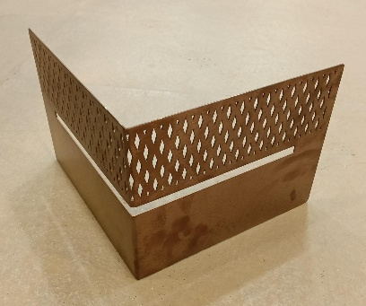 | 2 | 400 | 2000
14 | Half Square Solid Riser Big PVD Dark Champagne Gold Matte (1 set has 2 units)- Small size | SR BMW -14 |  | 1 | 350 | 1800
15 | Round Gold cake / buffet riser | SR BMW-14 | 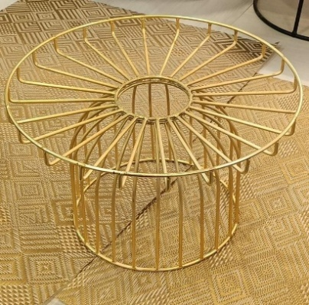 | 3 | 100 | 800
16 | Uneven Gold cake / buffet riser | SR BMW -15 | 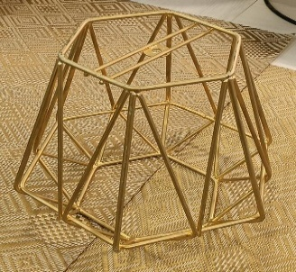 | 3 | 100 | 800
 | Metal Risers Gold ( ROUND MID SIZE ) | SR GOLD -1 |  | 6 | 350 | 1500
 | Half Round Solid Riser Gold (1 set has 2 units) - Large | SR GOLD -2 | 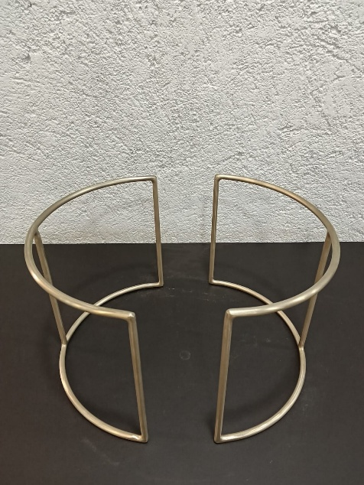 | 3 | 500 | 2500
 | Half Round Solid Riser Gold (1 set has 2 units) - Samll | SR GOLD -3 | 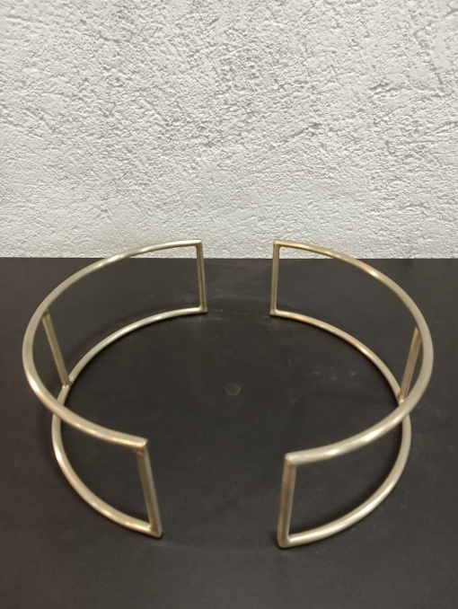 | 3 | 400 | 2000
Note
Rent is on a per unit bases
Breakage is on a per unit bases

Mono portions
Ground floor , Gupta Mill Estate , Devidayal Mill Compound, Magazine Street , Darukhana Mumbai 400010 , Maharashtra, India.
 |  |  |  |  |  |  | Colour options available
Sr # | Product Image | Description | Product Code | Dimensions in cm | Quantity | Breakage per unit | Rental per unit
1 | 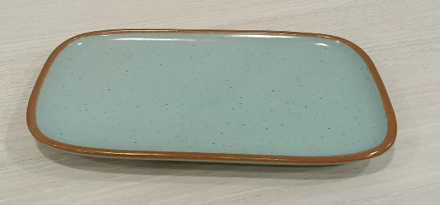 | Small Rectangular Plate ( Half ) Blue | SRAM 4 | L- 11 x B - 7.5 | 24 | 250 | 35
2 | 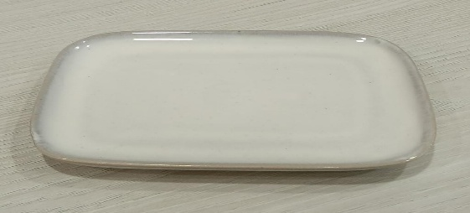 | Small Rectangular Plate ( Half ) White | SRAM 4 | L- 11 x B - 7.5 | 12 | 250 | 35
3 | 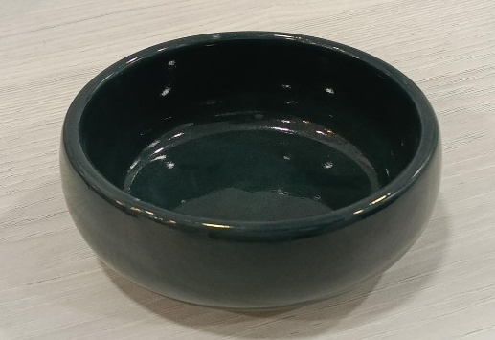 | Small Round Edge Katori ( 150 ml ) GREEN | SRAM 10 | D-8.5 x H-4 | 24 | 200 | 30
4 | 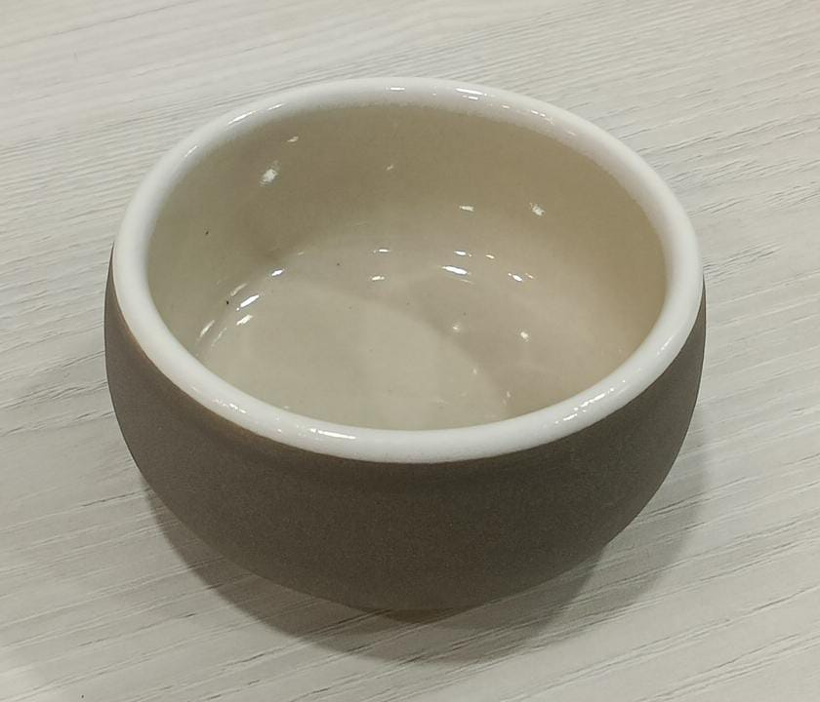 | Small Round Edge Katori ( 150 ml ) GREY WHITE | SRAM 10 | D-8.5 x H-4 | 11 | 200 | 30
5 | 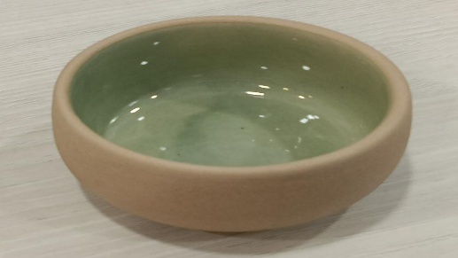 | Small Round Edge Katori ( 150 ml ) | SRAM 10 | D-8.5 x H-4 | 24 | 200 | 30
6 |  | Small Round Edge Katori ( 150 ml ) | SRAM 10 | D-8.5 x H-4 | 35 | 200 | 30
7 |  | Without handle Bowl | SRAM 12 | 50 ml H - 1.75'' x W 2.5'' | 60 | 200 | 30
8 |  | Oval Dish BLUE | SRAM 13 | L-14 x B-7.0 x H-3 | 48 | 200 | 30
9 |  | Oval Dish RED | SRAM 13 | L-14 x B-7.0 x H-3 | 40 | 200 | 30
10 |  | Oval Dish YELLOW | SRAM 13 | L-14 x B-7.0 x H-3 | 12 | 200 | 30
11 |  | Oval Dish MAROON | SRAM 13 | L-14 x B-7.0 x H-3 | 15 | 200 | 30
12 |  | Oval Dish GREY | SRAM 13 | L-14 x B-7.0 x H-3 | 15 | 200 | 30
13 |  | Small Round Ramekin GREY WHITE | SRAM 18 | D-8 x H-2.5 | 37 | 100 | 25
14 |  | Small Round Ramekin | SRAM 18 | D-8 x H-2.5 | 24 | 100 | 25
15 |  | Small Round Ramekin BLUE | SRAM 18 | D-8 x H-2.5 | 40 | 100 | 25
16 |  | Small Round Ramekin PINK | SRAM 18 | D-8 x H-2.5 | 25 | 100 | 25
17 |  | Small Round Ramekin BLACK | SRAM 18 | D-8 x H-2.5 | 20 | 100 | 25
18 |  | Small Round Ramekin RED | SRAM 18 | D-8 x H-2.5 | 28 | 100 | 25
19 |  | Sauce Dip Bowl ( 75 ml ) GREY | SRAM 19 | D-7.5 x H-2.5 | 25 | 100 | 25
20 |  | Sauce Dip Bowl ( 75 ml ) GREEN | SRAM 19 | D-7.5 x H-2.5 | 30 | 100 | 25
21 |  | Sauce Dip Bowl ( 75 ml ) | SRAM 19 | D-7.5 x H-2.5 | 50 | 100 | 25
22 |  | Sauce Dip Bowl ( 75 ml ) SKY BLUE | SRAM 19 | D-7.5 x H-2.5 | 15 | 100 | 25
23 |  | Square Katori ( WHITE DOTTED ) | SRAM 20 | L-5.5 x B-5.5 x H- 3 | 8 | 100 | 25
24 |  | Square Katori ( YELLOW ) | SRAM 20 | L-5.5 x B-5.5 x H- 3 | 27 | 100 | 25
25 |  | Square Katori ( OFF WHITE ) | SRAM 20 | L-5.5 x B-5.5 x H- 3 | 41 | 100 | 25
26 |  | Square Katori ( GREY) | SRAM 20 | L-5.5 x B-5.5 x H- 3 | 94 | 100 | 25
27 |  | Square Katori ( WHITE ) | SRAM 20 | L-5.5 x B-5.5 x H- 3 | 49 | 100 | 25
28 |  | Square Katori ( GREEN ) | SRAM 20 | L-5.5 x B-5.5 x H- 3 | 100 | 100 | 25
29 |  | Uneven Quarter plate Indigo Blue | SRAM 21 | 16 CM | 33 | 250 | 40
30 |  | Uneven Quarter plate Earth | SRAM 22 | 16 CM | 59 | 250 | 40
31 |  | Leaf Mono Portion Blue | SRAM 23 |  | 4 | 200 | 30
32 |  | Leaf Mono Portion Sky Blue | SRAM 24 |  | 5 | 200 | 30
33 |  | Leaf Mono Portion Green | SRAM 25 |  | 6 | 200 | 30
34 |  | Leaf Mono Portion Light Green | SRAM 26 |  | 5 | 200 | 30
35 |  | Mini Bowl Mix Colour | SR-MB 1 |  | 80 | 100 | 20

Plates
Ground floor , Gupta Mill Estate , Devidayal Mill Compound, Magazine Street , Darukhana Mumbai 400010 , Maharashtra, India.

S.No | Item Code | Particular | Qty / Pc | Rate Per Day | Breakage Rate | Picture
1 | SR DIN P 1 | MODERN GREEN DINNER PLATE | 300 | 40 | 365.00
2 | SR SID P 1 | MODERN GREEN SIDE PLATE | 312 | 30 | 235.00
3 | SR DIN B 1 | MODERN GREEN KATORI | 334 | 20 | 175.00 | 190ML
4 | SR DES 1 | Black rim flat plate (18mm) | 24 | 50 | 700.00 | 

Note
Rent is on a per unit bases
Breakage is on a per unit bases

Special Plates
Ground floor , Gupta Mill Estate , Devidayal Mill Compound, Magazine Street , Darukhana Mumbai 400010 , Maharashtra, India.

S.No | Item Code | Particular | Qty / Pc | Rate Per Day | Breakage Rate | Picture
1 | ASOP-1 | Ivery Finish Dessert Plate | 24 | 200 | 1200 | 
2 | ASOP-2 | Baby Pink Dessert Plate | 24 | 200 | 1200
3 | ASOP-3 | Star Dinner Plate | 40 | 400 | 2000 | 
4 | ASOP-4 | Star Dessert Plate | 90 | 350 | 2000
5 | ASOP-5 | Pizza Plate Large | 50 | 400 | 3500
6 | ASOP-6 | White Dinner Plate | 90 | 300 | 1500 | 

Mirror & Glass for Buffet
S.No | Item Code | Images | Particular | Qty of each unit | Rent per Unit | Breakage
 | MIRROR |  |  |  | Glass only | Glass
1 | SR GMRB 1 |  | Brown beveled mirror Large 18inch Round | 3 | 360 | 600
2 | SR GMRB 2 |  | Brown beveled Mirror Mid 15inch Round | 1 | 310 | 550
3 | SR GMRB 3 |  | Brown beveled mirror Small 12 inch Round | 1 | 260 | 500

4 | SR-GMR 1 |  | Beveled mirror Large 16 x 21 inch Uneven | 1 | 360 | 600
5 | SR-GMR 2 |  | Beveled Mirror Mid 15 x 20 Uneven | 1 | 310 | 550
6 | SR-GMR 3 |  | Beveled mirror Small 14 x 19 inch Uneven | 1 | 260 | 500
 | TRANSPARENT

1 | SR-GAT 1 |  | Transparent beveled glass Large 9 x28 Arrow | 3 | 360 | 600
2 | SR-GAT 2 |  | Transparent beveled glass Mid 9 x 24 Arrow | 1 | 310 | 550
3 | SR-GAT 3 |  | Transparent beveled glass Small 9 x 20 Arrow | 1 | 260 | 500

4 | SR-GOT1 |  | Transparent beveled glass Large 12 x24 Oval | 1 | 360 | 600
5 | SR-GOT 2 |  | Transparent beveled glass Mid 12 x 20 Oval | 3 | 310 | 550
6 | SR-GOT 3 |  | Transparent beveled glass Small 12 x 16 Oval | 1 | 260 | 500

7 | SR-GA 1 |  | Brown beveled glass Large 9 x28 Arrow | 1 | 360 | 600
8 | SR-GA 2 |  | Brown beveled glass Mid 9 x 24 Arrow | 1 | 310 | 550
9 | SR-GA 3 |  | Brown beveled glass Small 9 x 20 Arrow |  | 260 | 500
10 | SR-GWBP -1 |  | Brown beveled glass Small 20CM ( 2 in shade White , sky blue , pink) | 9 | 160 | 1,000 |   

Note
Rent is on a per unit bases
Breakage is on a per unit bases

Platters & Bowls
Ground floor , Gupta Mill Estate , Devidayal Mill Compound, Magazine Street , Darukhana Mumbai 400010 , Maharashtra, India.

Sr No | Control # | Image | Description | QTY | Rent | Breakage
1 | SRAB 1 |  | Tall Edge Big Bowl D-24 x H-9.5 ( GREY ) | 8 | 150 | 1,500
2 | SRAB 1 |  | Tall Edge Big Bowl D-24 x H-9.5 (GREEN ) | 8 | 150 | 1,500
3 | SRAB 1 |  | Tall Edge Big Bowl D-24 x H-9.5 (PINK ) | 8 | 150 | 1,500
4 | SRAB 3 |  | Double Portion Serving Bowl D-25 x H-6.5 ( GREY ) | 8 | 150 | 1,200
5 | SRAB 3 |  | Double Portion Serving Bowl D-25 x H-6.5 (GREEN ) | 11 | 150 | 1,200
6 | SRAB 3 |  | Double Portion Serving Bowl D-25 x H-6.5 ( PINK ) | 8 | 150 | 1,200
7 | SRAB 2 |  | Tall Edge Small Bowl D-14 x H-8 (GREY ) | 8 | 100 | 750
8 | SRAB 2 |  | Tall Edge Small Bowl D-14 x H-8 (GREEN ) | 8 | 100 | 750
9 | SRAB 2 |  | Tall Edge Small Bowl D-14 x H-8 ( PINK ) | 8 | 100 | 750
10 | SRAB 4 |  | Single Portion Serving Bowl D-20 x H-6.5 (GREY ) | 8 | 100 | 750
11 | SRAB 4 |  | Single Portion Serving Bowl D-20 x H-6.5 ( GREEN ) | 8 | 100 | 750
12 | SRAB 4 |  | Single Portion Serving Bowl D-20 x H-6.5 ( PINK ) | 8 | 100 | 750
13 | SRAB 5 |  | Sink Bowl ( 650 ml ) D-15 x H-8 ( GREY ) | 8 | 100 | 500
14 | SRAB 5 |  | Sink Bowl ( 650 ml ) D-15 x H-8 ( GREEN ) | 8 | 100 | 500
15 | SRAB 5 |  | Sink Bowl ( 650 ml ) D-15 x H-8 ( PINK ) | 8 | 100 | 500
16 | SRAM 7 |  | Atle / Krish Bowl Small ( 325 ml D-13 x H- 6.5 | 34 | 50 | 350
17 | SRGB -20 |  | Brown glass bowl - 400 ml | 26 | 60 | 600
18 | SRGB -21 |  | Black glass bowl - 400 ml | 32 | 60 | 600
19 | SRP 1 |  | Rectangle One 37.0cm x 16.5cm (14½" x 6½") | 12 | 350.00 | 4,000
20 | SRP 2 |  | Ink Nomad Blue Plate Coupe 25.5cm 10\ | 12 | 350.00 | 4,500
21 | SRP 3 |  | Vesuvius Amber Square One 27cm x 27cm (10 5/8\ x 10 5/8\) | 12 | 350.00 | 1,500
22 | SRAB 9 |  | Rectangle One 37.0cm x 16.5cm (14½" x 6½") - Indigo blue | 8 | 250.00 | 900
23 | SRAB 10 |  | Rectangle One 37.0cm x 16.5cm (14½" x 6½") - Olive green | 10 | 250.00 | 900
24 | SRAM 6 |  | Rectangular Platter ( Yellow with white inside ) | 24 | 200.00 | 800
25 | SRAM -30 |  | Rectangular Glass platter ( green 8 , blue 9 , red 11) | 28 | 200.00 | 700
26 | SRGB-22 |  | Glass Bowl White | 208 | 25 | 100
27 | SR BIP-1 |  | Smla Bruna Italy Plater Mid | 1 | 600 | 6000
28 | SR BIP-2 |  | Smla Bruna Italy Plater Large | 2 | 700 | 7000
29 | SR BIP-3 |  | Smla Bruna Italy Plater Ovel | 2 | 700 | 7000
30 | SRAG -20 |  | Glass Platter long in black 22 inch by 6 inch | 8 | 700 | 3500
31 | SR BB-1 |  | Transperent Blue Shade Bowl | 12 | 60 | 600

Note
Rent is on a per unit bases
Breakage is on a per unit bases

Cutlery
Ground floor , Gupta Mill Estate , Devidayal Mill Compound, Magazine Street , Darukhana Mumbai 400010 , Maharashtra, India.
CUTLERY

S.No | DESIGN NAME | ITEM CODE | ITEM DESCRIPTION | Qty | Rent | Breakage


1 | DURBAN | SR-D CUT 1 | Durban Mocca Spoon L: 114.00 mm ; T: 2.50 mm | 59 | 20 | 100
2 |  | SR-D CUT 2 | Durban Tea Spoon L: 146.00 mm ; T: 3.00 mm | 159 | 20 | 100
3 |  | SR-D CUT 3 | Durban Dinner Spoon L: 189.00 mm ; T: 3.50 mm | 342 | 30 | 150
4 |  | SR-D CUT 4 | Durban Dinner Fork L: 189.00 mm ; T: 3.50 mm | 352 | 30 | 150
5 |  | SR-D CUT 5 | Durban Dinner Knife L: 205.00 mm ; T: 7.00 mm | 120 | 30 | 180
6 |  | SR-D CUT 6 | Durban Soup Spoon L: 187.40 mm ; T: 3.50 mm | 120 | 30 | 200
7 |  | SR-D CUT 7 | Durban Serving Spoon L: 217.70 mm ; T: 4.00 mm | 48 | 40 | 200
8 |  | SR-D CUT 8 | Durban Serving Fork L: 218.20 mm ; T: 4.00 mm | 48 | 40 | 200

S.No | DESIGN NAME | ITEM CODE | ITEM DESCRIPTION | Qty | Rent | Breakage


1 | DURBAN- Rose Gold | SR-DG CUT 1 | Durban Mocca Spoon L: 114.00 mm ; T: 2.50 mm | 47 | 20 | 100
2 |  | SR-DG CUT 2 | Durban Tea Spoon L: 146.00 mm ; T: 3.00 mm | 54 | 20 | 100
3 |  | SR-DG CUT 3 | Durban Dinner Spoon L: 189.00 mm ; T: 3.50 mm | 155 | 30 | 150
4 |  | SR-DG CUT 4 | Durban Dinner Fork L: 189.00 mm ; T: 3.50 mm | 178 | 30 | 150
5 |  | SR-DG CUT 5 | Durban Dinner Knife L: 205.00 mm ; T: 7.00 mm | 96 | 30 | 180
6 |  | SR-DG CUT 6 | Durban Soup Spoon L: 187.40 mm ; T: 3.50 mm | 60 | 30 | 200
7 |  | SR-DG CUT 7 | Durban Serving Spoon L: 217.70 mm ; T: 4.00 mm | 24 | 40 | 200
8 |  | SR-DG CUT 8 | Durban Serving Fork L: 218.20 mm ; T: 4.00 mm | 24 | 40 | 200


S.No | DESIGN NAME | ITEM CODE | ITEM DESCRIPTION | Qty | Rent | Breakage
1 | Dubai rose gold Cake kinfe set of 2 | SR -DBX CAKE 1 | Dubai rose gold Cake kinfe set of 2 | 2 | 50 | 500.00

S.No | DESIGN NAME | ITEM CODE | ITEM DESCRIPTION | Qty | Rent | Breakage
1 | Mini gold soup spoon | SR -DBX SOUP 1 |  | 20 | 50 | 200 | 
2 | Long gold heart spoon | SR -DBX long spoon 1 |  | 12 | 30 | 50 | 
3 | Long gold flower spoon 1 | SR -DBX long spoon 2 |  | 12 | 30 | 50
4 | Long gold flower spoon 2 | SR -DBX long spoon 3 |  | 12 | 30 | 50
5 | Long gold flower spoon 3 | SR -DBX long spoon 4 |  | 12 | 30 | 50

S.No | DESIGN NAME | ITEM CODE | ITEM DESCRIPTION | Qty | Rent | Breakage
1 | Gold Small Fork | SR-SG-F 1 |  | 39 | 20 | 150
2 | Silver Small Fork | SR-SS-F 2 |  | 42 | 20 | 150

Note
Rent is on a per unit bases
Breakage is on a per unit bases

Sets
Ground floor , Gupta Mill Estate , Devidayal Mill Compound, Magazine Street , Darukhana Mumbai 400010 , Maharashtra, India.

Sr No | Control # | Description | QTY | Rent | Breakage
1 | SR TEA 1 | Asain tea set with 6 cups and 1 pot (Red) | 2 | 600.00 | 3,500.00 | 
2 | SR SUP 1 | Thai Soup set ( 8 Units ) | 1 | 1,250.00 | 5,000.00 | 
3 | SR DIN 1 | Gold dinner set ( charger plate + dinner plate +dessert plate +bread plate +mono portion with stand + sauce plate) 1 unit of each | 0 | 1,200.00 | 7,500.00 | 
4 | SR DIN 2 | Sliver white shade dinner set ( charger plate + dinner plate+bread plate +mono portion with stand + soup / pasta bowl) 1 unit of each | 15 | 1,000.00 | 6,500.00 | 

Other Equipments
S.No | Item Code | Particular | Qty / Pc | Rent Per Day | Breakage Rate | Picture
1 | SR CHF -1 | Casoral with warmer 6Ltr | 12 | 500 | 15000 | 
2 | SR LAD 1 | ladel 1 | 12 | 150 | 1000
3 | SR LAD 2 | ladel 2 | 12 | 150 | 1000 | 
4 | SR SUP LAD-1 | Soup Laddle | 4 | 100 | 500 | 
5 | SR T-1 | SS Utility Tong | 16 | 50 | 150 | 
6 | SR T-2 | SS Sugar Tong | 12 | 30 | 100
7 | SR STR-1 | Serving Tray SQR 14 inch | 3 | 100 | 300 | 
8 | SR STR-2 | Serving Tray SQR 16inch | 3 | 125 | 350 | 
9 | SR STR-3 | Serving Tray Round 18 inch | 3 | 125 | 350 | 
10 | SR STR-4 | Serving Tray Round 16 inch | 3 | 100 | 300 | 
11 | SR JD-1 | Juice Dispenser | 3 | 700 | 3000 | 
12 | SR ST-1 | Soup Tarean | 4 | 700 | 3500
13 | SR NPH-1 | Name Plate Holder | 50 | 20 | 100 | 

TOTE BOXES
Ground floor , Gupta Mill Estate , Devidayal Mill Compound, Magazine Street , Darukhana Mumbai 400010 , Maharashtra, India.

S.No | Item Code | Particular | Qty / Pc | Rent Per Day | Breakage Rate | Picture
1 | SR TB-1 | GREEN TOTE BOX LARGE ( 22"/16" ) | 20 | 300 | 1200 | 
2 | SR TB-2 | GREEN TOTE BOX MID ( 20"/15" ) | 19 | 200 | 1000 | 

